Source 1
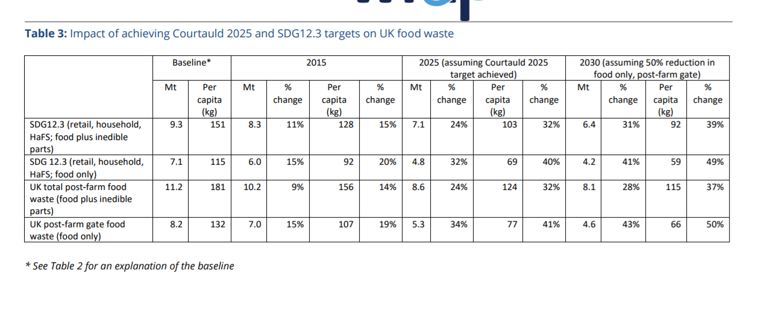
Organisation
Periodicity
Earliest Available Data
Geographical Coverage
Link to Data Source
Link to Data Source Text
Release Date (DD-MM-YYYY)
Next Release (DD-MM-YYYY)
Statistical Classification
Contact Details
Other Information
Data Source notes
Observation Status

Source 2
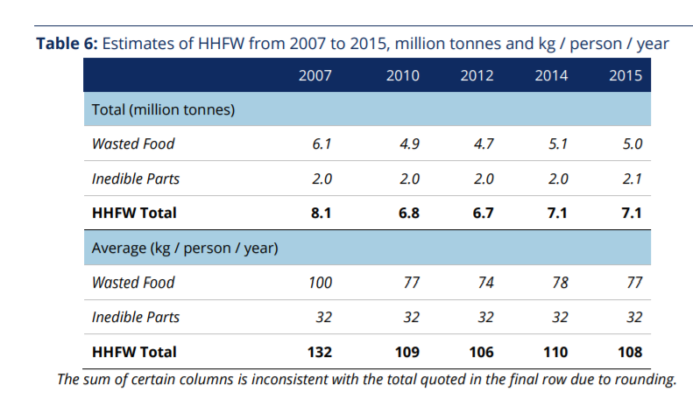
Organisation
Periodicity
Earliest Available Data
Geographical Coverage
Link to Data Source
Link to Data Source Text
Release Date (DD-MM-YYYY)
Next Release (DD-MM-YYYY)
Statistical Classification
Contact Details
Other Information
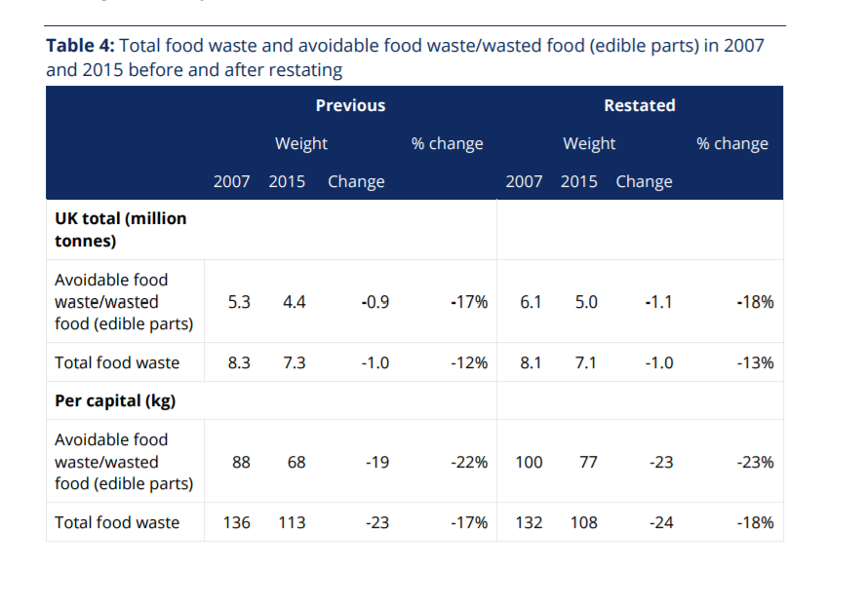
Data Source notes
Observation Status

Source 3
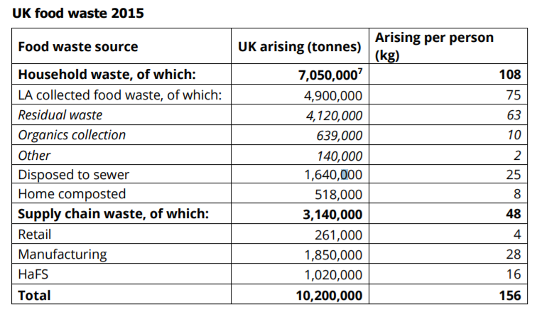
Organisation
Periodicity
Earliest Available Data
Geographical Coverage
Link to Data Source
Link to Data Source Text
Release Date (DD-MM-YYYY)
Next Release (DD-MM-YYYY)
Statistical Classification
Contact Details
Other Information
Data Source notes
Observation Status

